Sheet1
 | Document No. |  | Issue No. | Issue Date |  | Review and Replace Date |  |  |  | Authorised By
 | GFF187MC |  | 3 | 06.11.2020 |  | 2021-12-21 |  |  |  | Magda Shah
 | Document Title |  | Spicy Potato Wedges with 240g
Document amendments reason for change | Film Updated |  |  |  | Page 1 of 1 |  | Previous Issue Date |  | 22.02.2021 | Uncontrolled copy unless signed original

FRIED IN HOUSE
CSPW1C-R6T |  | Gazebo | Spicy Potato Wedges 240g
STEP 1 |  |  | STEP 2 |  |  |  |  | STEP 3
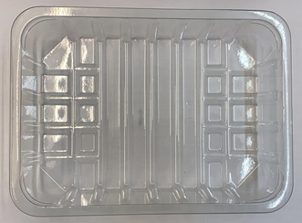 |  |  | 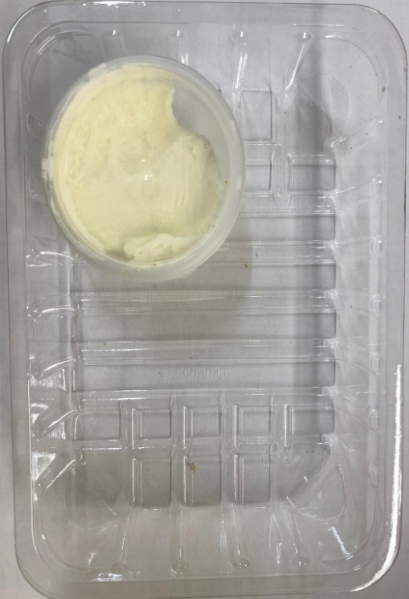

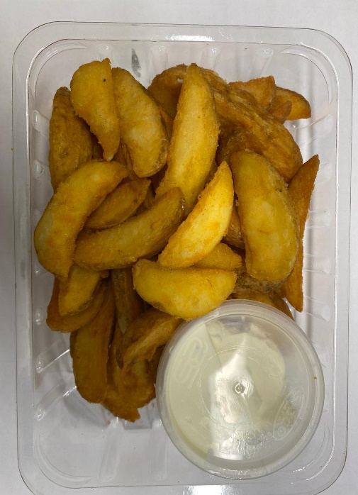

 |  |  |  |  |  |  |  | Potato Wedges (RMHOP001-02): 200g
Tray: SK4-Plain Clear (PKESS001-07) |  |  | Sour Cream with Chive (GFF227R): 40g
Film: ME300AFV2, 300mmx 1000m (PKPRO001-16) |  |  | Satco 2oz Pots with Lids (PKJEN001-03) |  |  |  |  | TOTAL WEIGHT: 240g
ALLERGY ALERT: WHEAT, MILK

